Sheet1
 | Document No. |  | Issue No. | Issue Date |  | Review and Replace Date |  | Authorised By
 | GFF088MC |  | 4 | 11.02.2019 |  | 15.12.2021
 | Document Title |  | Take Away Thai For Two (Meal Box for 2) - 1154g
 |  |  |  |  |  |  |  | Magda Shah
Document amendments reason for change | Film Updated |  | Page 1 of 1 |  | Previous Issue Date |  | 29.09.2021 | Uncontrolled copy unless signed original

CTHML-R2TEB |  | BOOTHS | Take Away Thai For Two (Meal Box for 2) - 1154g | CHILLED
STEP 1 |  |  | STEP 2 |  |  |  | STEP 3
Tray: EVOLVE CPET 2200-1E (PKRHP001-08) |  |  | Tray: EVOLVE CPET 2200-1E (PKRHP001-08) |  |  |  | Tray: EVOLVE CPET 2200-1D (PKRHP001-09)
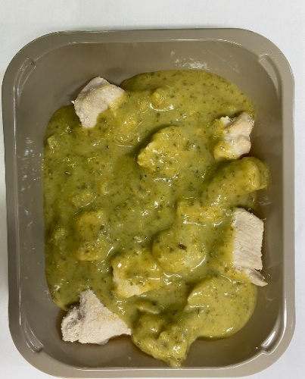 |  |  | 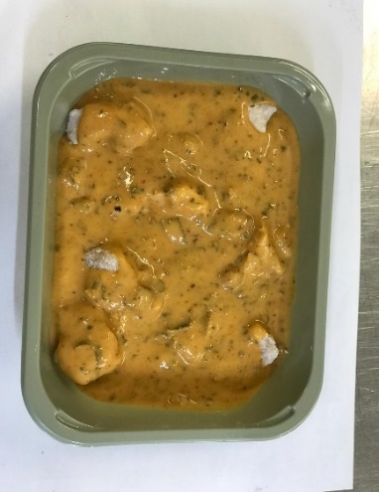 |  |  |  | 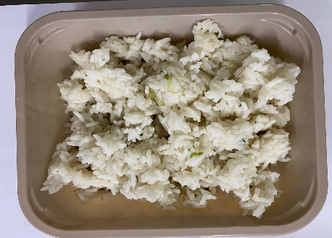

JASMINE RICE
400g
Green Thai Chicken Curry 300g
Chicken Panang Curry
300g

British Diced Chicken (Marinated) (GFF164R): 75g |  |  | British Diced Chicken (Marinated) (GFF164R): 90g (12-13 pcs) |  |  |  | Jasmine Rice (GFF162R): 400g
Green Thai Chicken Curry (GFF148R): 225g |  |  | Panang Curry Sauce (GFF199R): 210g
Film: K peel 7G+25A/f- 275mm (275 mmX1000) (PKKMP001-03) |  |  | Film: K peel 7G+25A/f- 275mm (275 mmX1000) (PKKMP001-03) |  |  |  | Film: K peel 7G+25A/f- 275mm (275 mmX1000) (PKKMP001-03)
STEP 3 |  |  |  |  | STEP 4
Date taken for Use by calculation
Lowest Product Cook date ( less 2 day)
Cook+14 days
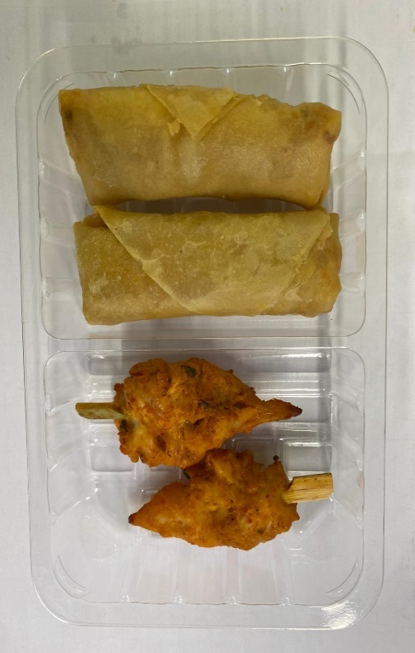 |  |  |  |  |  |  | 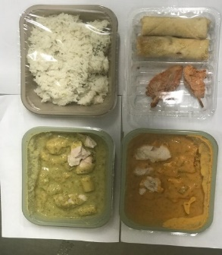

THAI
SNACKS
154g

2 x Vegetable Spring Rolls (GFF114R) 50g: 100g |  |  | 2 x Red Thai Chicken Skewer (GFF245R) 27g: 54g |  |  |  | TOTAL WEIGHT: 1154g
Tray: SK4 Split (PKESS001-04) Film: ME300AFV2 (PKPRO001-16)
ALLERGY ALERT: BARLEY, CRUSTACEAN, FISH, SESAME, SOYA, WHEAT

